Activities
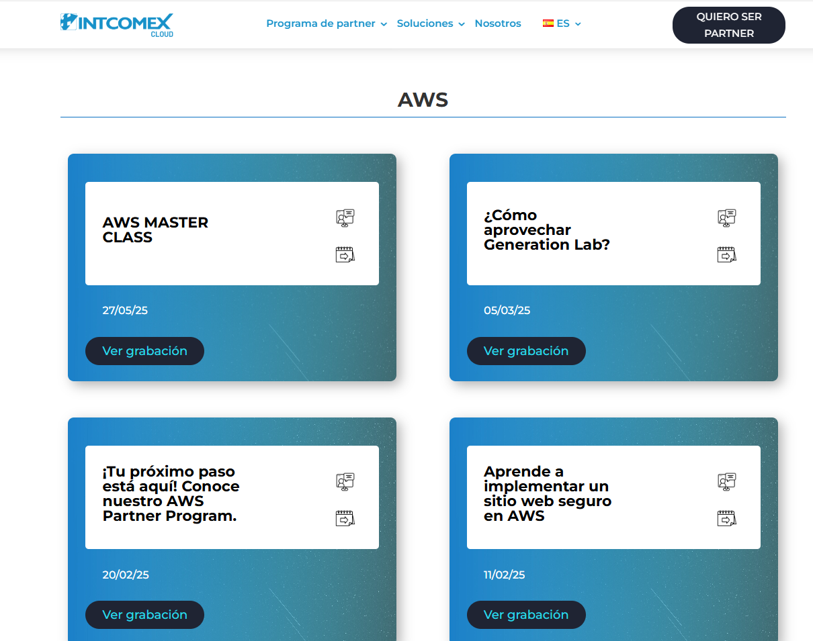
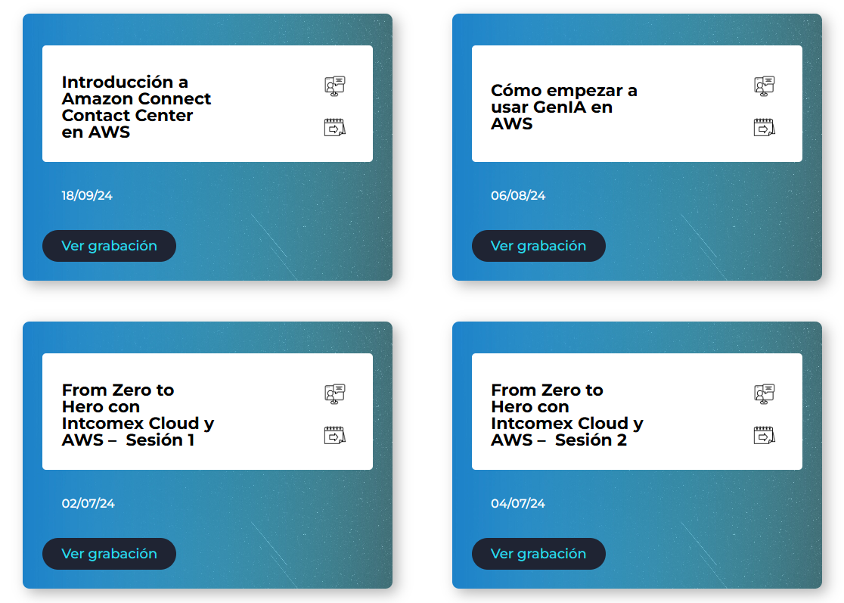
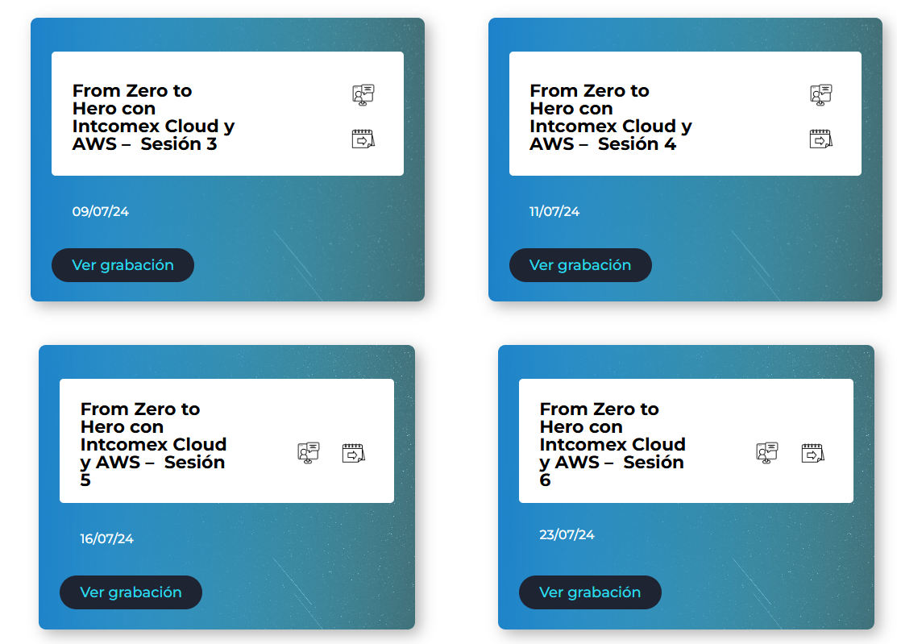
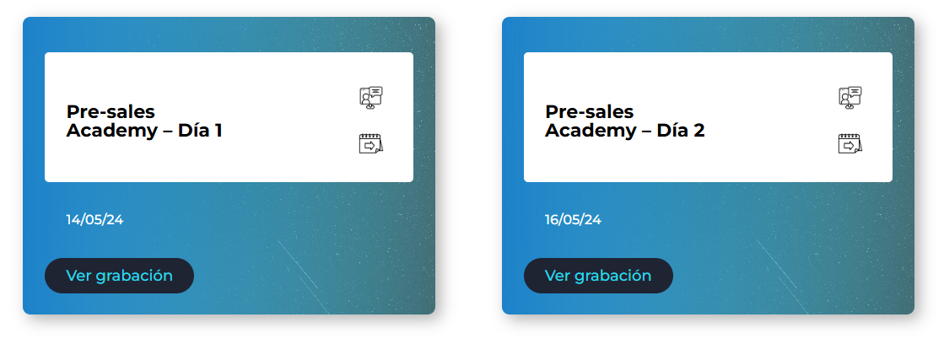
CONTROL

Technical |  |  |  | Commercial

Webinars |  |  |  | Demand Generation Events
Webinar Name | Region | Format | Date | Event Name | País | Format | Date
live session (labs, best practices, tips) | CCA | Virtual | Apr-24 | Enterprise AI | Jamaica | On Site | Mar-24
PreSales Academy | CCA | Virtual | May-24 | Aplicación de seguridad inteligente en las operaciones de tu negocio | República Dominicana | On Site | Jun-24
GenAI | CCA | Virtual | Aug-24 | Evento Amazon Connect - Hospitals & Clinics | República Dominicana | On Site | Jun-24
Introducción a Amazon Connect | CCA | Virtual | Sep-24 | GenAI | República Dominicana | On Site | Jun-24
AWS Trainings | CCA | Virtual | Nov-24 | Cultura de Innovación AWS | República Dominicana | On Site | Aug-24
AWS Master Class | CCA | Virtual | Mar-25 | Culture of innovation and GenAI | Jamaica | On Site | Oct-24
AWS Master Class | CCA | Virtual | May-25 | Amazon Connect | República Dominicana | On Site | Oct-24
let's talk to an expert | CCA | Virtual | Mar-25 | GenAI para el sector financiero | Puerto Rico | On Site | Nov-24
Immersion Days |  |  |  | GenAI | República Dominicana | On Site | Sep-24
Subject | Region | Format | Date | Worshop DG | Trinidad & Tobago | On Site | Oct-24
AWS General Immersion Day | Bahamas | On Site | Mar-24 | Cybersecurity Summit | Bahamas | On Site | Feb-25
AWS General Immersion Day | Guatemala | On Site | Apr-24 | Commercial Trainings
Migration Immersion Day | Panama | On Site | Apr-24 | Activity Name | País | Format | Date
AWS General Immersion Day | El Salvador | On Site | Apr-24 | APN Training | República Dominicana | Virtual | Apr-24
Database Immersion Day | Republica Dominicana | On Site | Jun-24 | APN Training | República Dominicana | Virtual | Apr-24
AWS General Immersion Day | Costa Rica | On Site | May-24 | Metodologías y Procesos | República Dominicana | Virtual | Jan-24
Amazon Connect | CCA | Virtual | Sep-24 | MAP Explanation Process | Puerto Rico | Virtual | Jan-24
Data & Analytics | CCA | Virtual | Oct-24 | Onboarding AWS | República Dominicana | Virtual | Jan-24
Workshops |  |  |  | Onboarding AWS | Bahamas | Virtual | Feb-24
Workshop Name | Region | Format | Date | Recorrido ICP | República Dominicana | Virtual | Feb-24
GenAI | Republica Dominicana | On Site | Jun-24 | Onboarding AWS | República Dominicana | Virtual | Feb-24
GenAI | Jamaica | On Site | Oct-24 | Sales talk PR | Puerto Rico | On Site | Jun-24
telco bundles | Panama | Virtual | Nov-24 | Sales Talk RD | República Dominicana | On Site | Jun-24
GenAI | Guatemala | On Site | Oct-24 | Generation Lab KickOff | CCA | Virtual | Aug-24
AWS Day | Guatemala | On Site | Oct-24
Intcomex Cloud Practitioner | Regional | Virtual | Feb-25
Personalized Training | Guatemala | On Site | May-25
Personalized Training | Guatemala | On Site | May-25
Pricing Calculator | Republica Dominicana | Virtual | Jun-25
Amazon Connect Pricing Calculator | Republica Dominicana | Virtual | Jun-25
Migration Strategies | Republica Dominicana | On Site | Mar-25

Portal Eventos Intcomex Cloud

https://cloud.intcomex.com/post-eventos/

Hoja2
